Disclaimer
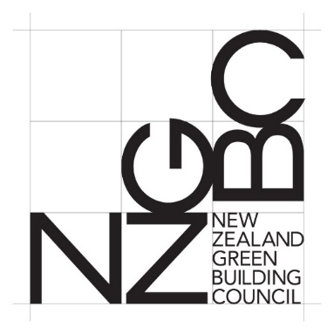
NZv1.0

15 Modelled Performance Pathway

Disclaimer, Authorisation and Acknowledgment
The Green Star rating system (‘Green Star Rating System’) and the Green Star Rating Tools (‘Rating Tools’) have been developed by the New Zealand Green Building Council (‘NZGBC’). The Rating Tools are intended for use by project teams, contractors and other interested parties to validate sustainability initiatives of the design and construction phases of eligible projects.
The Green Star Rating System and the Rating Tools have been developed with the assistance and participation of representatives from many organisations. The Rating Tools may be subject to further development in the future. The views and opinions expressed in the Submission Guidelines have been determined by the NZGBC.
The NZGBC authorises you to view and use this Submission Guidelines for your individual use only. In exchange for this authorisation, you agree that the NZGBC retains all copyright and other proprietary rights contained in, and in relation to, the Submission Guidelines and agree not to sell, modify, or use for another purpose the Submission Guidelines or to reproduce, display or distribute the Submission Guidelines in any way for any public or commercial purpose, including display on a website or in a networked environment.
Unauthorised use of the Submission Guidelines will violate copyright, and other laws, and is prohibited. All text, graphics, layout and other elements of content contained in the Submission Guidelines is owned by the NZGBC and are protected by copyright, trade mark and other laws.
To the maximum extent permitted by law, the NZGBC does not accept responsibility, including without limitation for negligence, for any inaccuracy within the Submission Guidelines and makes no warranty, expressed or implied, including the warranties of merchantability and fitness for a particular purpose, nor assumes any legal liability or responsibility to you or any third parties for the accuracy, completeness, or use of, or reliance on, any information contained in the Submission Guidelines or for any injuries, losses or damages (including, without limitation, equitable relief and economic loss) arising out of such use or reliance. The Submission Guidelines is no substitute for professional advice. You should seek your own professional and other appropriate, advice on the matters addressed by it.
As a condition of use of the Submission Guidelines, you covenant not to sue, and agree to release the NZGBC, its officers, agents, employees, contractors (including any Certified Assessor, any member of the Technical Working Group and any Independent Chair) and its members from and against any and all claims, demands and causes of action for any injury, loss, destruction or damage (including, without limitation, equitable relief and economic loss) that you may now or hereafter have a right to assert against such parties as a result of your use of, or reliance on, the Submission Guidelines.
The application of the Submission Guidelines to all Eligible Projects is encouraged to assess and improve their environmental attributes.
The NZGBC offers a formal certification process whereby persons may apply for a particular design or project to be assessed for compliance with the criteria specified in the Submission Guidelines upon payment of the relevant fee and execution of the required documentation by the applicant.
For NZGBC non-member organisations: This soft-copy gives your organisation license to use the Submission Guidelines by up to 5 users. Organisations that require a license for more than 5 users should contact the NZGBC.
All rights reserved.

Change Log
15 Modelled Performance Pathway

Change Log
 | Calculator Release | Summary of Changes
Green Star - Design & As Built NZv1.0 | 2019-04-11 | Initial release.

